Sheet1
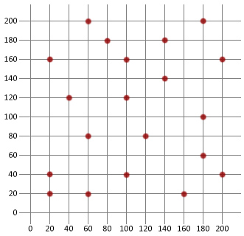
Point | x | y | C10(100,160) | C10(100,160) | C10(100,160) | TRUE
0 | 20 | 160 | C17(100,40) | C17(100,40) | C17(200,160) | FALSE
1 | 20 | 40 | C18(200,160) | C18(200,160) | C18(120,80) | FALSE
2 | 20 | 20 | C11(120,80) | C11(120,80) | C11(200,40) | FALSE
3 | 40 | 120 | C19(200,40) | C19(200,40) | C19(180,100) | FALSE
4 | 60 | 200 | C16(180,100) | C16(180,100) | C16(180,60) | FALSE
5 | 60 | 80 | C13(180,60) | C13(180,60) | C13(100,40) | FALSE
6 | 60 | 20 | C9(20,160) | C9(20,160) | C9(140,140) | FALSE
7 | 80 | 180 | C8(140,140) | C8(140,140) | C8(180,200) | FALSE
8 | 100 | 160 | C14(180,200) | C14(180,200) | C14(20,160) | FALSE
9 | 100 | 120 | C15(160,20) | C15(160,20) | C15(160,20) | TRUE
10 | 100 | 40 | C12(140,180) | C12(140,180) | C12(140,180) | TRUE
11 | 120 | 80 | C3(40,120) | C3(40,120) | C3(20,40) | FALSE
12 | 140 | 180 | C2(20,40) | C2(20,40) | C2(40,120) | FALSE
13 | 140 | 140 | C1(60,20) | C1(60,20) | C1(20,20) | FALSE
14 | 160 | 20 | C0(20,20) | C0(20,20) | C0(80,180) | FALSE
15 | 180 | 200 | C7(80,180) | C7(80,180) | C7(100,120) | FALSE
16 | 180 | 100 | C6(100,120) | C6(100,120) | C6(60,20) | FALSE
17 | 180 | 60 | C5(60,200) | C5(60,200) | C5(60,80) | FALSE
18 | 200 | 160 | C4(60,80) | C4(60,80) | C4(60,200) | FALSE
19 | 200 | 40

